Sheet1
 |  |  | 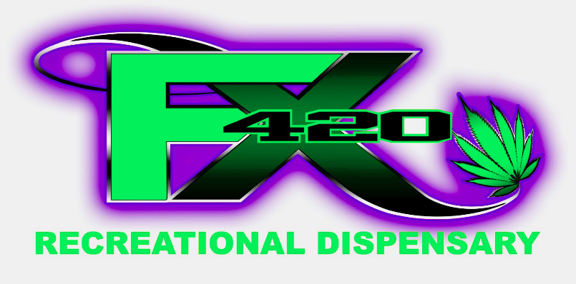 FX420

Strain: | Cost Per Gram | THC | CBD | Strain: | Cost Per Gram | THC | CBD
OG18 | $3.60 | 20.11% | 0.04% | Grape Valley Kush | $9.60 | 26.90% | 0.06%
Zkittlez | $4.80 | 22.47% | 0.00% | Mendo Breath | $9.60 | 23.48% | 0.05%
Lemon G | $4.80 | 13.04% | 9.62% | Lezberado | $9.60 | 20.26% | 0.00%
The Mountain | $4.80 | 20.70% | 0.08% | Snowman Cookies | $12.00 | 23.05% | 0.00%
Blue Dream | $4.80 | 25.00% | 0.00% | Strawberry Banana | $12.00 | 28.40% | 0.16%
Powder Puff | $6.00 | 20.44% | 0.07% | Ogre | $12.00 | 27.40% | 0.08%
Lavender | $6.00 | 14.90% | 0.00% | Poison Sunset | $12.00 | 26.60% | 0.06%
Kosh Dawg | $6.00 | 18.84% | 0.00% | Cookies & Cream | $12.00 | 25.48% | 0.00%
Powder Puff | $6.00 | 20.44% | 0.07% | Black Diamond | $12.00 | 23.01% | 0.00%
Orange ACDC | $6.00 | 9.20% | 18.10% | Afgoo | $12.00 | 22.72% | 0%
Grape Cheesecake | $7.20 | 7.19% | 13.10% | Junior Mints | $12.00 | 25.00% | 0.00%
Mega Jackpot | $7.20 | 16.11% | 0.05% | Black Jack | $12.00 | 26.12% | 0%
Green Goddess | $7.20 | 16.97% | 0.05% | Yesterdays Paper | $12.00 | 24.09% | 0%
Banana Split | $9.60 | 17.09% | 0.00% | White 99 | $12.00 | 27.83% | 0.05%
Adak | $9.60 | 22.50% | 0.06% | Sweet Thang #7 | $12.00 | 18.51% | 0%
CBD Nordle | $9.60 | 7.79% | 12.22% | Hawaiian Dutch | $14.40 | 34.70% | 0%
Dosido | $9.60 | 21.90% | 0.04% | J1 | $14.40 | 29.80% | 0.09%
Jack & Cheese | $9.60 | 16.67% | 0.05%
Big Smooth | $9.60 | 21.90% | 0.14%
key Lime Pie | $9.60 | 18.35% | 0.00%

Green -- Hybrid |  |  |  | Green -- Hybrid
Red - - Sativa |  |  |  | Red - - Sativa
Blue -- Indica |  |  |  | Blue -- Indica
Orange -- CBD Heavy Hybrid |  |  |  | Orange -- CBD Heavy Hybrid
Stock and prices subject to change at any time.

